Sheet1
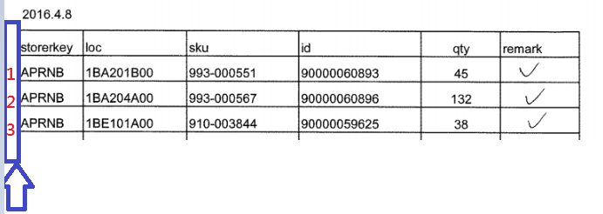
For "count sheets", please add "Sequence Nr.#" in the 1st column for

1) Cycle count sheets

